Sheet1
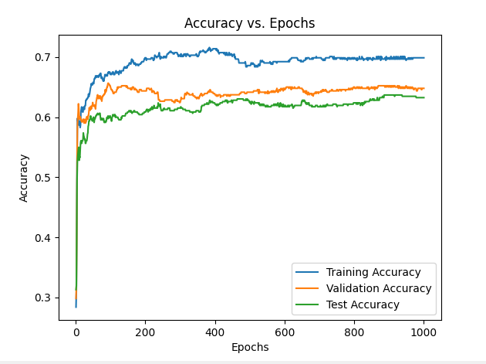
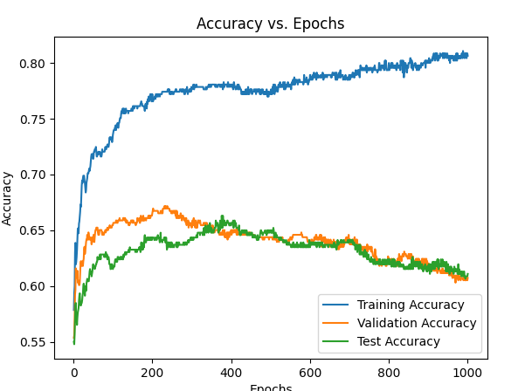
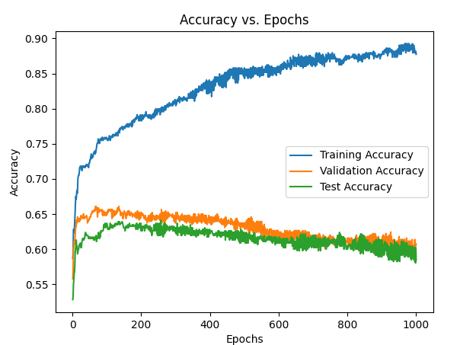
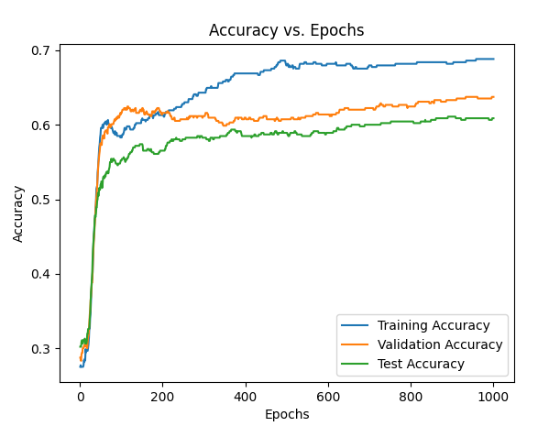
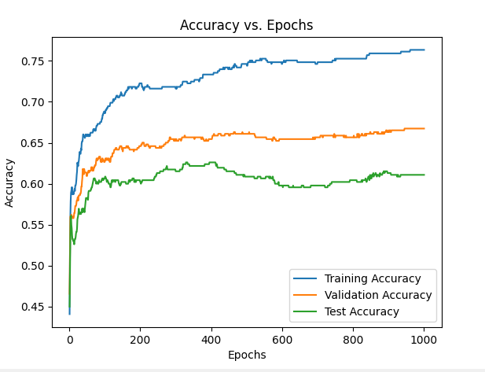
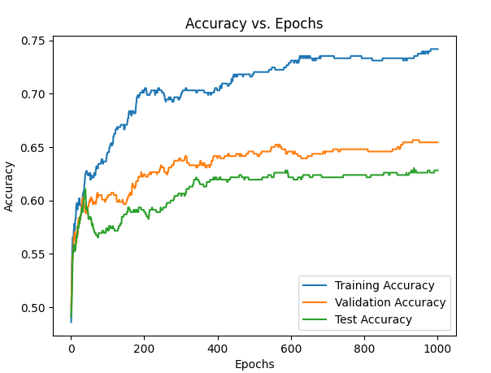
Cancer Neural Network

0.1
Hidden Layers | 1 | 20 | 50 | 100 | 200 | Comments
Training Rate | 0.1 | 0.1 | 0.1 | 0.1 | 0.1 | Causing really fast overfitting, with validation accuracy dropping much lower then testing accuracy
Epoch | 60 | 9 | 7 | 8 | 7
Training Accuracy | 93.68 | 95.26 | 95.62 | 95.26 | 95.26
Val Accuracy | 93.68 | 95.26 | 94.74 | 93.68 | 94.74
Test Accuracy | 92.02 | 93.62 | 93.09 | 93.62 | 92.55
0.01
Hidden Layers | 1 | 20 | 50 | 100 | 200
Training Rate | 0.01 | 0.01 | 0.01 | 0.01 | 0.01
Epoch | 165 | 100 | 20 | 52 | 26
Training Accuracy | 93.16 | 96.3 | 93.16 | 96.32 | 95.79
Val Accuracy | 93.16 | 93.1 | 93.68 | 93.68 | 93.68
Test Accuracy | 93.55 | 93.6 | 92.55 | 93.09 | 93.62
0.001
Hidden Layers | 1 | 20 | 50 | 100 | 200
Training Rate | 0.001 | 0.001 | 0.001 | 0.001 | 0.001
Epoch | 440 | 350 | 150 | 250 | 68
Training Accuracy | 85.79 | 93.68 | 93.68 | 94.21 | 94.21
Val Accuracy | 86.84 | 93.68 | 93.68 | 93.68 | 95.26
Test Accuracy | 84.04 | 92.02 | 93.09 | 93.09 | 90.43

Card Dataset

0.1
Hidden Layers | 1 | 20 | 50 | 100 | 200
Training Rate | 0.1 | 0.1 | 0.1 | 0.1 | 0.1
Epoch
Training Accuracy
Val Accuracy
Test Accuracy
0.01
Hidden Layers | 1 | 20 | 50 | 100 | 200
Training Rate | 0.01 | 0.01 | 0.01 | 0.01 | 0.01
Epoch
Training Accuracy
Val Accuracy
Test Accuracy
0.001
Hidden Layers | 1 | 20 | 50 | 100 | 200
Training Rate | 0.001 | 0.001 | 0.001 | 0.001 | 0.001
Epoch
Training Accuracy
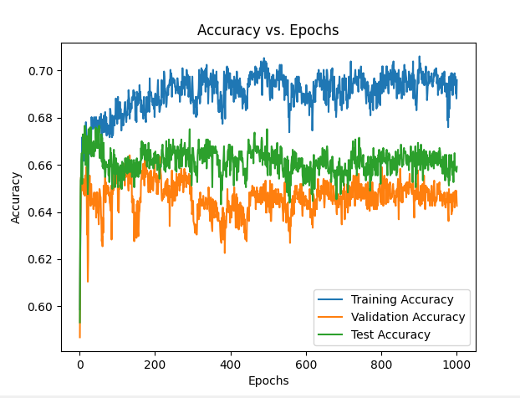
Val Accuracy
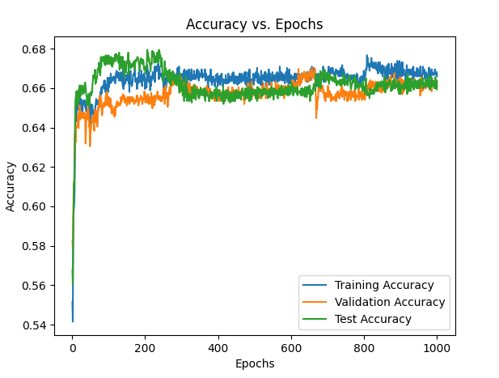
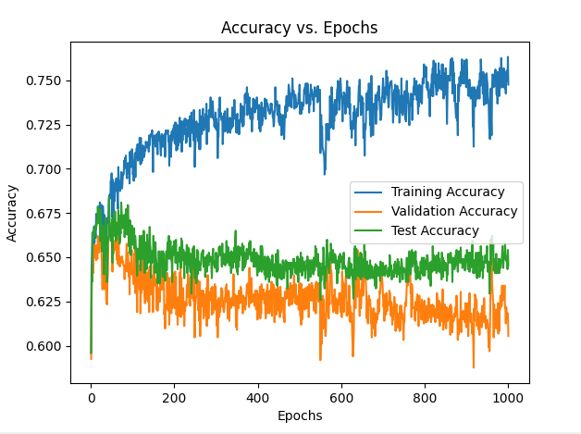
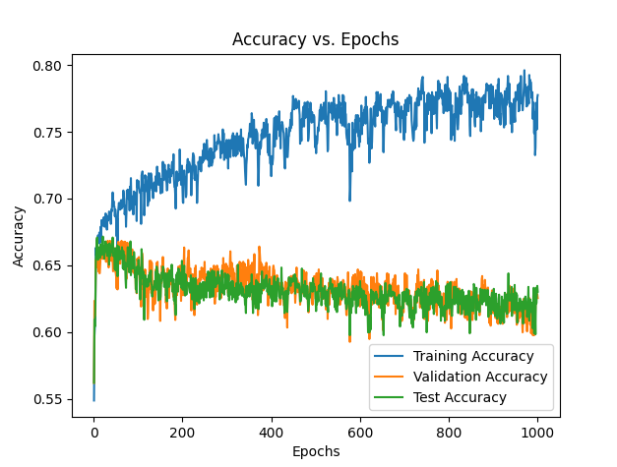
Test Accuracy
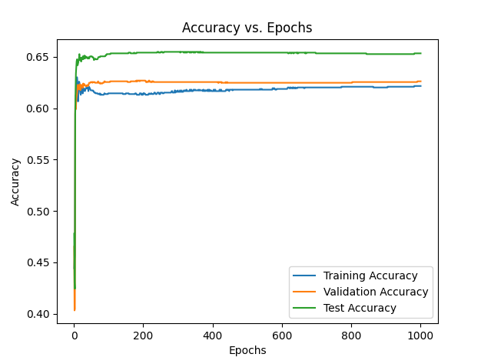

Abalone Dataset

0.1
Hidden Layers | 1 | 20 | 50 | 100 | 200
Training Rate | 0.1 | 0.1 | 0.1 | 0.1 | 0.1
Epoch
Training Accuracy
Val Accuracy
Test Accuracy
0.01
Hidden Layers | 1 | 20 | 50 | 100 | 200
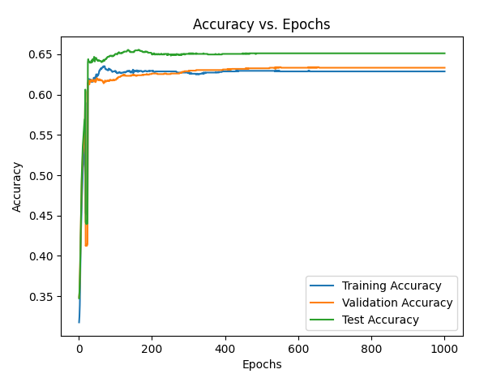
Training Rate | 0.01 | 0.01 | 0.01 | 0.01 | 0.01
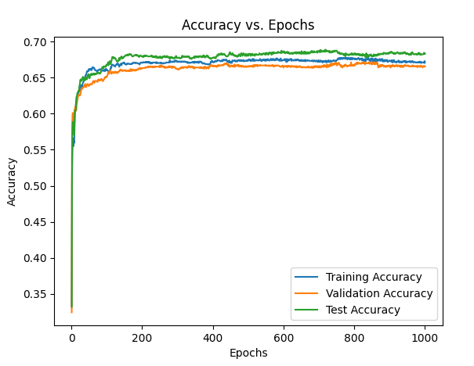
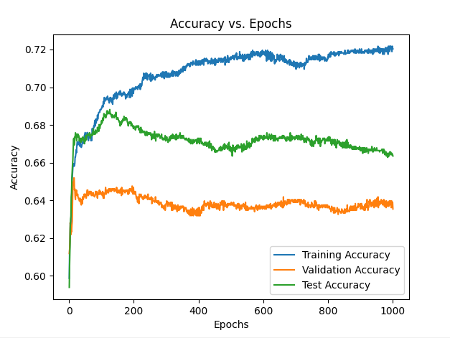
Epoch
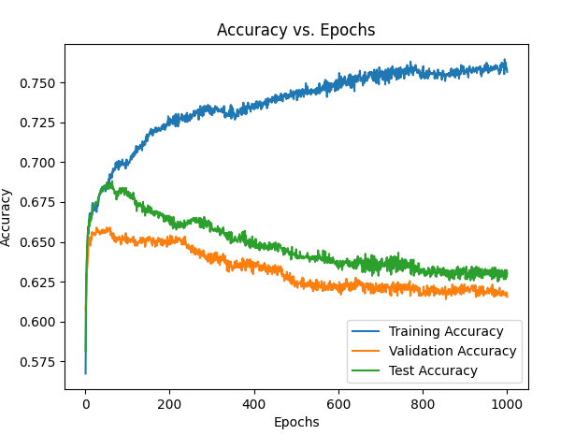
Training Accuracy
Val Accuracy
Test Accuracy
0.001
Hidden Layers | 1 | 20 | 50 | 100 | 200
Training Rate | 0.001 | 0.001 | 0.001 | 0.001 | 0.001
Epoch
Training Accuracy
Val Accuracy
Test Accuracy

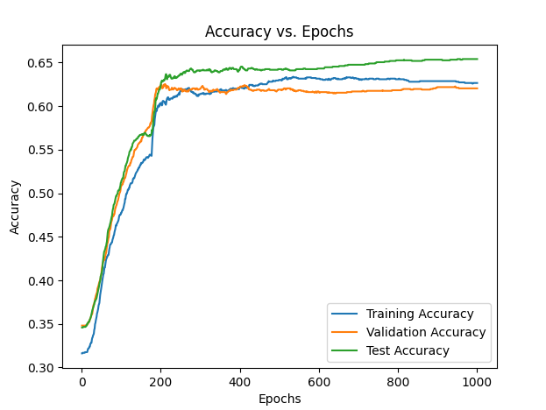
Abalone Baby Dataset
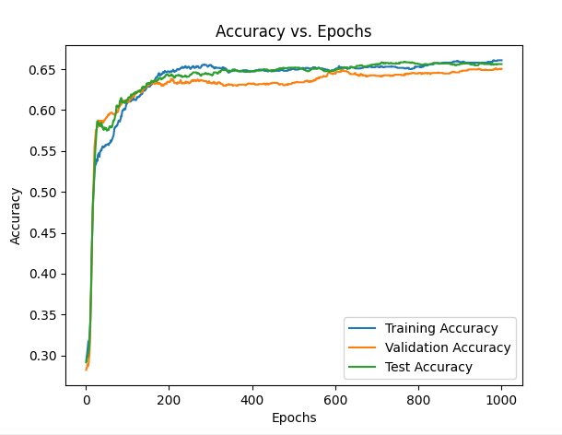
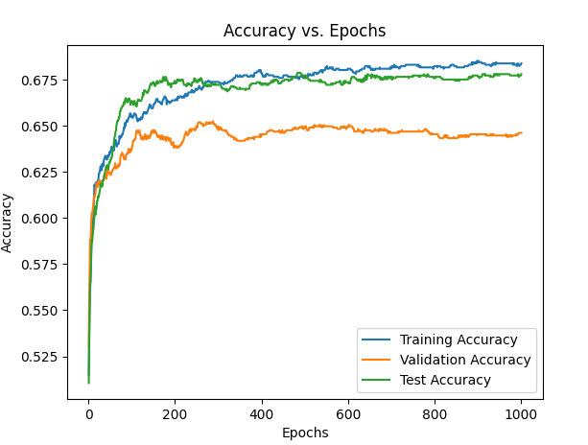
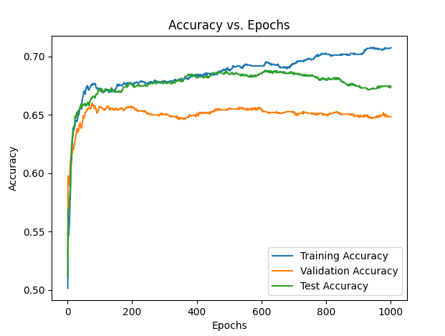
0.1
Hidden Layers | 1 | 20 | 50 | 100 | 200
Training Rate | 0.1 | 0.1 | 0.1 | 0.1 | 0.1
Epoch
Training Accuracy
Val Accuracy
Test Accuracy
0.01
Hidden Layers | 1 | 20 | 50 | 100 | 200
Training Rate | 0.01 | 0.01 | 0.01 | 0.01 | 0.01
Epoch
Training Accuracy
Val Accuracy
Test Accuracy
0.001
Hidden Layers | 1 | 20 | 50 | 100 | 200
Training Rate | 0.001 | 0.001 | 0.001 | 0.001 | 0.001
Epoch | overtraining
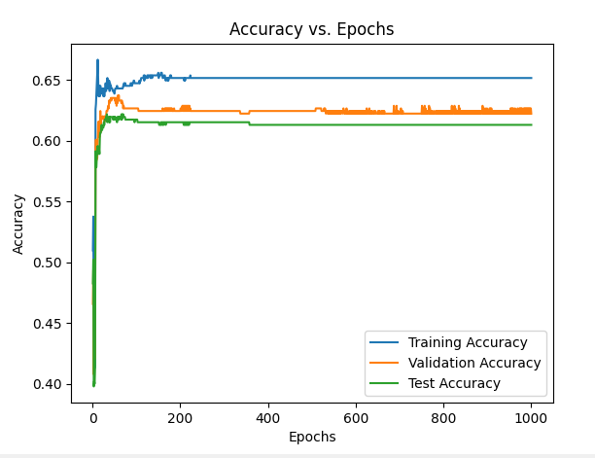
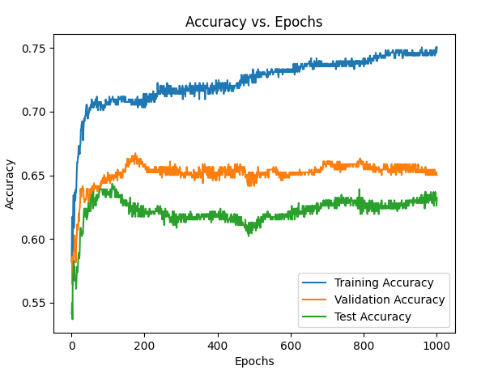
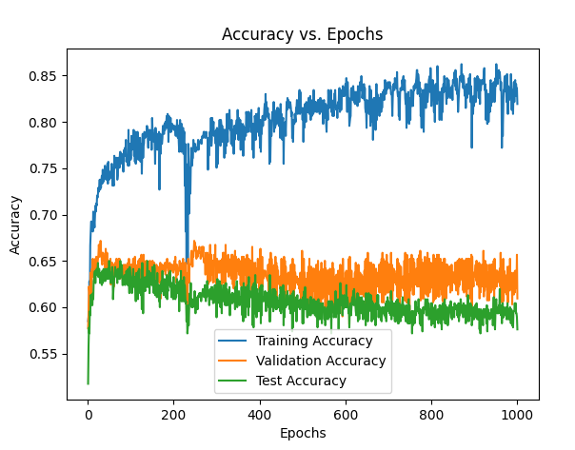
Training Accuracy
Val Accuracy
Test Accuracy

